Analysis1
Analysis Sheet
This sheet will include all the Python formulas generated by Copilot.

Load data from Service_Transactions, A1:G22

Preview
 | Date | Client Name | Event Type | Total Price | Profit Margin | Type | Subtype
0 | 45810 | Ava Carter | Wedding | 2400 | 0.4 | Service | Intimate event
1 | 45811 | Ben Holmes | Corporate Dinner | 3200 | 0.35 | Service | Corporate event
2 | 45812 | Charlie Yu | Birthday | 1800 | 0.42 | Service | Intimate event
3 | 45813 | Dina Aslam | Workshop | 2500 | 0.2 | Service | Corporate event
4 | 45814 | Ethan Brooks | Product Launch | 4100 | 0.45 | Service | Corporate event
... | ... | ... | ... | ... | ... | ... | ...
16 | 45830 | Jessica Paul | Baby shower | 1500 | 0.38 | Service | Intimate event
17 | 45831 | Elders Society | Garage Sale | 3000 | 0.32 | Service | Social event
18 | 45831 | Mike Watt | Training | 2500 | 0.2 | Service | Corporate event
19 | 45834 | Mira Yousaf | Exhibition | 3400 | 0.5 | Service | Corporate event
20 | 45835 | Beck Co. | Fundraiser | 2000 | 0.45 | Service | Social event

Analyze distribution of event types and subtypes

Preview
 | Event Type Count | Subtype Count
Baby shower | 1 | 0
Birthday | 1 | 0
Bridal Shower | 1 | 0
Corporate Dinner | 1 | 0
Corporate event | 0 | 13
... | ... | ...
Social event | 0 | 3
Training | 2 | 0
Training | 1 | 0
Wedding | 1 | 0
Workshop | 2 | 0

Table showing receivable schedule for remaining payments

Preview
 | Event Type | Total Price | Remaining Payment | Payment Due Date
0 | Wedding | 2400 | 1920 | 45817
1 | Corporate Dinner | 3200 | 2240 | 45818
2 | Birthday | 1800 | 1440 | 45819
3 | Workshop | 2500 | 1750 | 45820
4 | Product Launch | 4100 | 2870 | 45821
... | ... | ... | ... | ...
16 | Baby shower | 1500 | 1200 | 45837
17 | Garage Sale | 3000 | 3000 | 45841
18 | Training | 2500 | 1750 | 45838
19 | Exhibition | 3400 | 2380 | 45841
20 | Fundraiser | 2000 | 2000 | 45845

Calculate total remaining payments for each payment due date in June 2025

Preview
Payment Due Date | Remaining Payment
45817 | 1920
45818 | 2240
45819 | 1440
45820 | 1750
45821 | 4950
... | ...
45831 | 2380
45832 | 1540
45836 | 1470
45837 | 1200
45838 | 5350

Bar chart of receivable schedule for June 2025

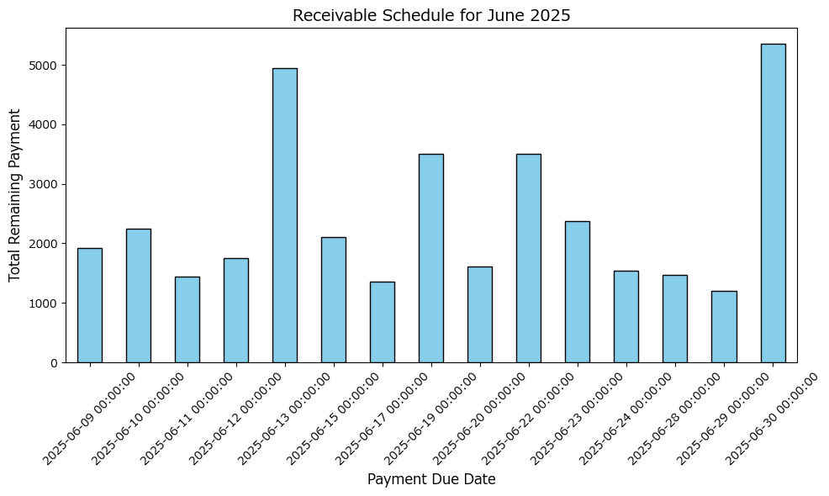

Extract insights from service transactions data

Preview
{'Event Type with Highest Average Profit': 'Fashion Show', 'Subtype with Highest Total Revenue': 'Corporate event', 'Most Frequent Client': 'Ian Wood'}

Total revenue by subtype

Preview
 | Subtype | Total Price
0 | Corporate event | 38700
1 | Intimate event | 10000
2 | Social event | 8600

Most frequent client
Ian Wood

